Data Entry
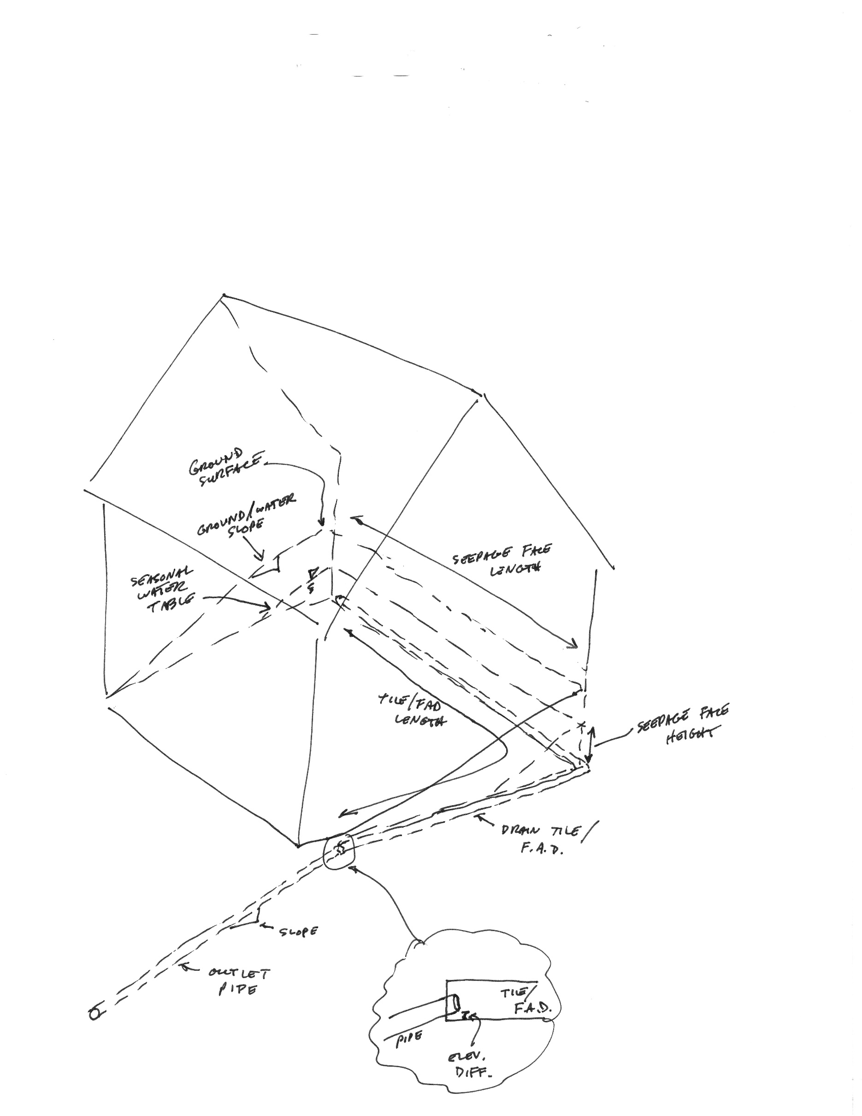
Water Surface Calculator for Horizontal Formadrain Discharging to Round, Sloped Outlet Pipe

Inputs by User |  |  |  |  |  | Outputs
Seepage Face Height |  | 4 | ft |  |  | Seepage Rate | 100.00 | gal/day, or | 0.00015 | cfs
Seepage Face Length |  | 50 | ft |  |  | Flow depth in Outlet Pipe | 0.007 | ft, or | 0.084 | inches
Seepage Face Hydraulic Conductivity |  | 10.00 | gal/day/ft^2, see below |  |  | Max depth in Formadrain | 0.019 | ft, or | 0.23 | inches
Water Depth Profile In Formadrain
 | Water Depth
0 | 0.184
1 | 0.18465265072
2 | 0.18529807518
3 | 0.18593646763
4 | 0.1865680292
5 | 0.18719293547
6 | 0.18781135123
7 | 0.18842343086
8 | 0.18902932438
9 | 0.1896291763
10 | 0.1902231259
11 | 0.19081130745
12 | 0.19139385333
13 | 0.19197088292
14 | 0.19254251978
15 | 0.19310888055
16 | 0.19367007793
17 | 0.19422622089
18 | 0.19477741483
19 | 0.19532376174
20 | 0.19586536032
21 | 0.19640230618
22 | 0.19693469192
23 | 0.19746260727
24 | 0.19798614199
25 | 0.1985053749
26 | 0.19902039062
27 | 0.19953126857
28 | 0.20003808582
29 | 0.20054091724
30 | 0.20103983554
31 | 0.20153491135
32 | 0.20202621334
33 | 0.20251380826
34 | 0.20299776103
35 | 0.20347813342
36 | 0.20395498961
37 | 0.20442838802
38 | 0.20489838688
39 | 0.20536504287
40 | 0.2058284112
41 | 0.20628854568
42 | 0.20674549874
43 | 0.20719932146
44 | 0.20765006369
45 | 0.208097774
46 | 0.20854249979
47 | 0.2089842873
48 | 0.20942318165
49 | 0.2098592269
...
Ground or Water Table Slope at seep face |  | 0.05 | ft/ft, or | 5 | percent
Outlet Pipe Diameter (4" or 6") * |  | 4 | inches, or | 0.333 | ft
Elev. Diff. btwn outlet pipe and FAD at joint |  | 0.1 | inches | Must be at least 0.125
Outlet Pipe Slope |  | 0.01 | ft/ft, or | 1 | percent
Manning's number for Outlet Pipe |  | 0.01 | dimensionless, 0.010 for PVC
Manning's number for FAD |  | 0.01 | dimensionless, 0.010 for PVC
Formadrain Length |  | 100 | ft

 | yellow = enter site-specific data
 | green = outputs

 | Suggested Hydraulic Conductivities
 |  |  | K
 | Soil Type |  | (gal/day/ft^2)
 | Clay, silty clay |  | 0.01
 | Silt loam, silty clay loam, loam, clay loam, sandy clay loam |  | 10
 | Sandy loam |  | 100
 | Gravelly loam, loamy sand |  | 1,000
 | Sand, fine sand |  | 10,000 |  |  | Flow in Formadrain stays in exterior system with bleeder at two inches
 | Sand and gravel |  | 100,000
 | Very gravelly sand |  | 1,000,000
 | Source: Freeze and Cherry, 1979, p. 29

Notes and Assumptions
 | Seepage rate estimated using Dupuit-Forchheimer Approximation of Darcy's Law (face height * face length * conductivity * water table slope)
 | Assume water table slope to be parallel to slope of ground surface, unless other data is available
 | No shortcutting by surface runoff directly to drainage system
 | Flow in sloped, round outlet pipe is uniform
 | Manning's equation used to determine flow depth and velocity in outlet pipe
 | Flow in horizontal FAD is non-uniform and gradually varied
 | Flow in FAD estimated using Standard Step Method and Newton Raphson Numerical Method
 | FAD geometry assumed to be 2-inch wide rectangular channel.
 | Bleeders connect inside and outside FAD at 2 inches from bottom.
 | No parallel flow in stone around FAD.
 | All flow enters FAD at upstream end
 | Water elevation at end of FAD is same as water elevation at upstream end of outlet pipe.
 | Does not account for head loss at transition from FAD to outlet pipe, or in bends in FAD.

